Modul 1

MODUL 1
PERHITUNGAN LUAS LANTAI PABRIK

TI 3094
Praktikum Perancangan Sistem
Terintegrasi
IV

BOM
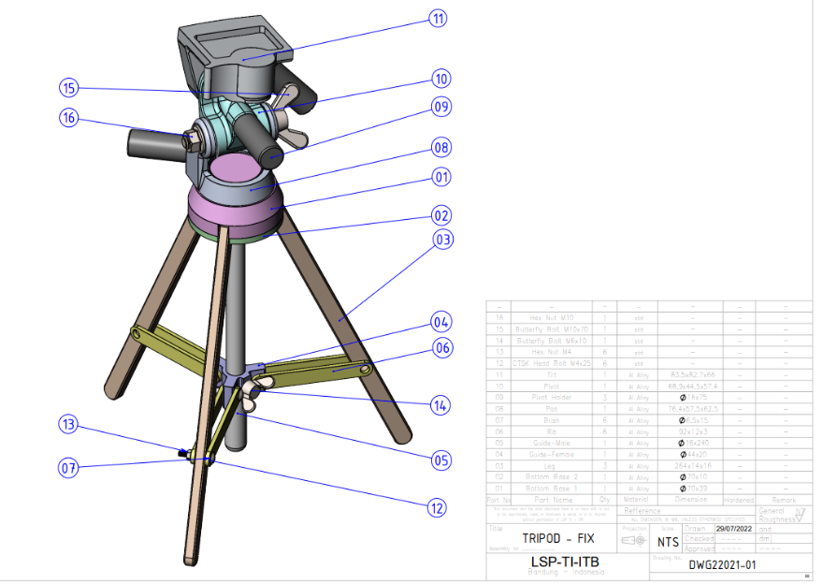
Bill of Materials

PT PPST
Bill of Materials Tripod
Part Number | Description | Quantitiy of Each Assembly | Decision
- | H100 Assembly Head Unit | 1 | Make
10 | 1000 Pivot | 1 | Make
11 | 1100 Tilt | 1 | Make
9 | 1200 Pivot Holder | 3 | Make
8 | 1300 Pan | 1 | Make
15 | 1310 Butterfly Bolt M10x70 | 1 | Buy
16 | 1320 Hex Nut M10 | 1 | Buy
- | S200 Stand Unit Assembly | 1 | Make
3 | 2000 Leg | 3 | Buy
1 | 2100 Bottom Base 1 | 1 | Make
2 | 2200 Bottom Base 2 | 1 | Make
- | G300 Assembly Guide Unit | 1 | Make
4 | 3000 Guide Female | 1 | Make
5 | 3100 Guide Male | 1 | Make
7 | 3200 Bush | 6 | Make
6 | 3300 Rib | 6 | Make
12 | 33100 CTSK Head bold M4x25 | 6 | Buy
13 | 33200 Hex Nut M4 | 6 | Buy
14 | 3400 Butterfly Bolt M6x10 | 1 | Buy

OPC
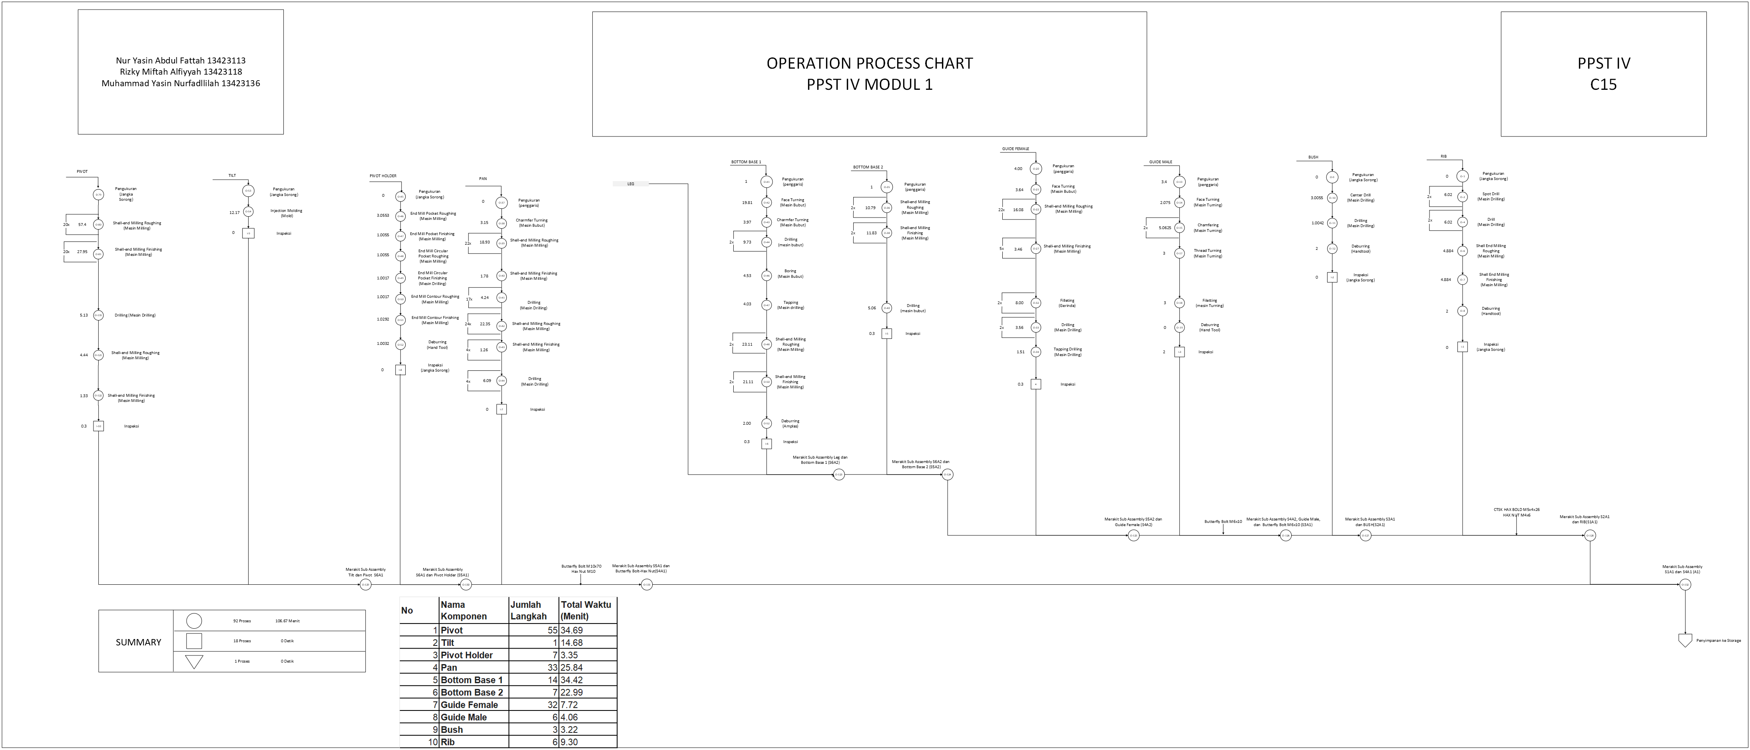

6. MPPC
9. MPPC

238
 | Departemen | Material | Aluminium Alloy Square Bar |  |  |  |  |  |  |  |  |  |  |  |  |  |  |  |  |  |  |  |  |  |  |  |  |  |  |  |  |  |  |  |  |  |  |  |  |  |  |  |  |  |  |  |  |  |  |  |  |  |  |  |  |  |  |  |  |  |  |  |  |  |  |  |  |  |  |  |  |  |  |  |  |  |  |  |  |  |  |  |  |  |  |  |  |  |  |  |  |  |  |  |  |  |  |  | Aluminium Alloy Cylinder Bar |  |  |  |  |  |  |  |  |  |  |  |  |  |  |  |  |  |  |  |  |  |  |  |  |  |  |  |  |  |  |  |  |  |  |  |  |  |  |  |  |  |  |  |  |  |  |  |  |  |  |  |  |  |  |  |  |  |  |  |  |  |  |  |  |  |  |  |  |  |  | ABS (Acrylonitrile Butadiene Styrene) |  | Jumlah Mesin
 |  | Mesin/Komponen | Rib |  |  |  |  |  |  | Pan |  |  |  |  |  |  |  |  |  |  |  |  |  |  |  |  |  |  |  |  |  |  |  |  |  |  |  |  |  |  |  |  |  |  |  |  |  |  |  |  |  |  |  |  |  |  |  |  |  |  |  |  |  |  |  |  |  |  |  |  |  |  |  |  |  |  |  |  |  |  |  |  |  |  |  |  |  |  |  |  |  | Pivot |  |  |  |  |  |  | Bush |  |  | Guide Male |  |  |  |  |  |  | Guide Female |  |  |  |  |  |  |  |  |  |  |  |  |  |  |  |  |  |  |  |  |  |  |  |  |  |  |  |  |  |  |  | Bottom Base 2 |  |  |  |  |  |  |  | Bottom Base 1 |  |  |  |  |  |  |  |  |  |  |  |  |  | Pivot Holder |  |  |  |  |  |  | Tilt |  | Teoritis | Aktual
 | Fabrikasi | Mesin Injection Molding |  |  |  |  |  |  |  |  |  |  |  |  |  |  |  |  |  |  |  |  |  |  |  |  |  |  |  |  |  |  |  |  |  |  |  |  |  |  |  |  |  |  |  |  |  |  |  |  |  |  |  |  |  |  |  |  |  |  |  |  |  |  |  |  |  |  |  |  |  |  |  |  |  |  |  |  |  |  |  |  |  |  |  |  |  |  |  |  |  |  |  |  |  |  |  |  |  |  |  |  |  |  |  |  |  |  |  |  |  |  |  |  |  |  |  |  |  |  |  |  |  |  |  |  |  |  |  |  |  |  |  |  |  |  |  |  |  |  |  |  |  |  |  |  |  |  |  |  |  |  |  |  |  |  |  |  |  |  |  |  |  |  |  |  |  |  |  | 0.492 |  | 0.49 | 1
2
3
4
5
139
155
204
207
208
211
289
290
10
11
12
63
64
67
87
90
99
100
 |  | Mesin Drilling | 0.001 | 0.001 | 0.001 | 0.001 |  |  |  |  |  |  |  |  |  |  |  |  |  |  |  | 0.012 | 0.001 |  |  |  |  |  |  |  |  |  |  |  |  |  |  |  |  | 0.002 | 0.000 | 0.002 | 0.000 |  |  |  |  |  |  |  |  |  |  |  |  |  |  |  |  |  |  |  |  |  |  |  |  |  |  |  |  |  |  |  |  |  |  |  |  |  |  |  |  |  |  |  |  |  |  |  |  |  |  | 0.027 | 0.006 |  |  |  | 0.000 | 0.000 | 0.107 |  |  |  |  |  |  |  |  |  |  |  |  |  |  |  |  |  |  |  |  |  |  |  |  |  |  |  |  |  |  |  |  |  |  |  |  | 0.003 | 0.001 | 0.0004 |  |  |  |  |  |  | 0.003 | 0.001 |  |  |  |  |  |  |  | 0.027 | 0.045 |  |  |  |  |  |  |  |  |  |  |  |  |  |  | 0.24 | 1
6
7
116
125
126
127
129
130
132
133
135
136
138
156
165
166
167
176
177
178
187
188
189
198
199
200
201
202
203
240
241
242
243
244
245
246
247
248
249
250
251
252
253
254
255
256
257
258
259
260
261
262
263
264
265
266
267
268
269
270
271
272
272
273
274
275
276
277
278
279
280
281
282
283
284
285
286
287
288
291
292
293
24
25
26
27
26
26
28
26
26
29
30
30
31
32
33
34
35
36
37
38
39
40
41
42
43
44
45
46
47
48
49
70
73
74
77
78
84
101
104
107
110
213
223
224
225
226
235
 |  | Mesin Milling |  |  |  |  | 0.101 | 0.101 |  |  | 0.169 | 0.019 | 0.043 | 0.059 | 0.030 | 0.024 | 0.006 | 0.018 | 0.021 | 0.015 | 0.017 |  |  | 0.056 | 0.006 | 0.014 | 0.067 | 0.007 | 0.017 | 0.052 | 0.013 | 0.006 | 0.065 | 0.017 | 0.008 | 0.058 | 0.026 | 0.026 | 0.058 |  |  |  |  | 0.168 | 0.019 | 0.042 | 0.069 | 0.008 | 0.015 | 0.066 | 0.007 | 0.025 | 0.023 | 0.008 | 0.036 | 0.004 | 0.009 | 0.033 | 0.004 | 0.008 | 0.017 | 0.038 | 0.003 | 0.028 | 0.007 | 0.017 | 0.038 | 0.035 | 0.004 | 0.009 | 0.011 | 0.025 | 0.073 | 0.008 | 0.018 | 0.062 | 0.007 | 0.016 | 0.006 | 0.014 | 0.006 | 0.014 | 0.011 | 0.025 | 0.017 | 0.038 | 0.017 | 0.038 | 0.022 | 0.025 | 0.080 | 0.009 | 0.020 |  |  | 0.016 | 0.008 | 0.018 |  |  |  |  |  |  |  |  |  |  |  |  | 0.010 | 0.010 | 0.009 | 0.008 | 0.007 | 0.014 | 0.010 | 0.009 | 0.009 | 0.008 | 0.007 | 0.014 | 0.004 | 0.004 | 0.009 | 0.005 | 0.005 | 0.005 | 0.004 | 0.004 | 0.008 | 0.005 | 0.005 | 0.005 | 0.004 | 0.004 | 0.008 |  |  |  | 0.131 | 0.046 | 0.298 | 0.104 | 0.080 | 0.073 |  |  |  |  |  |  |  |  |  |  |  | 0.134 | 0.076 | 0.116 | 0.067 |  | 0.003 | 0.000 | 0.000 | 0.000 | 0.002 | 0.000 |  |  |  | 3.78 | 4
115
14
15
16
17
18
22
23
92
93
94
95
96
97
98
 |  | Mesin Bubut |  |  |  |  |  |  |  | 0.008 |  |  |  |  |  |  |  |  |  |  |  |  |  |  |  |  |  |  |  |  |  |  |  |  |  |  |  |  |  |  |  |  |  |  |  |  |  |  |  |  |  |  |  |  |  |  |  |  |  |  |  |  |  |  |  |  |  |  |  |  |  |  |  |  |  |  |  |  |  |  |  |  |  |  |  |  |  |  |  |  |  |  |  |  |  |  |  |  |  |  |  | 0.021 | 0.004 | 0.003 | 0.054 | 0.054 |  |  | 0.004 | 0.004 |  |  |  |  |  |  |  |  |  |  |  |  |  |  |  |  |  |  |  |  |  |  |  |  |  |  |  |  |  |  |  |  |  |  |  |  |  |  | 0.085 | 0.108 | 0.076 | 0.067 | 0.031 | 0.152 | 0.072 |  |  |  |  |  |  |  |  |  |  |  |  |  |  |  |  | 0.74 | 1
1
8
1
114
8
239
11
9
2
13
19
20
3
21
50
55
68
69
5
91
113
6
212
236
9
237
10
 |  | Kerja Bangku | 0.000 |  |  |  |  | 0.107 | 0.000 | 0.000 |  |  |  |  |  |  |  |  |  |  |  |  |  |  |  |  |  |  |  |  |  |  |  |  |  |  |  |  |  |  |  |  | 0.000 | 0.000 |  |  |  |  |  |  |  |  |  |  |  |  |  |  |  |  |  |  |  |  |  |  |  |  |  |  |  |  |  |  |  |  |  |  |  |  |  |  |  |  |  |  |  |  |  |  |  |  |  |  |  |  |  | 0.000 | 0.000 |  | 0.000 | 0.000 |  |  |  | 0.054 | 0.000 | 0.000 | 0.000 |  |  |  |  |  |  |  |  |  |  |  |  |  |  |  |  |  |  |  |  |  |  |  |  |  |  |  | 0.000 | 0.000 |  | 0.000 | 0.000 |  |  |  |  |  |  | 0.000 | 0.000 |  |  |  |  |  |  |  |  |  |  |  | 0.107 | 0.000 | 0.000 |  |  |  |  | 0.107 | 0.000 | 0.000 | 0.000 | 0.38 | 1

294
295
296
297
7
8
 | Departemen | Material | Sub-Assembly |  |  |  |  |  |  |  |  |  |  | Jumlah Mesin
 |  | Mesin/Komponen | H100 Assembly Head Unit |  |  | S200 Stand Unit Assembly |  | G300 Assembly Guide Unit |  |  |  |  | F600 Packaging | Teoritis | Aktual
 | Assembly | Bench Perakitan | 0.215 | 0.643 | 0.214 | 0.643 | 0.214 | 0.214 | 0.214 | 1.283 | 1.282 | 0.214 | 0.214 | 5.348 | 6.000

8. Luas Lantai Pabrik
8. Luas Lantai Pabrik

 | LUAS LANTAI PABRIK
 | Departemen | Nama Mesin | Jumlah Aktual | Ukuran Mesin |  |  | Allowance |  |  |  |  |  |  |  |  | Luas Mesin (m2) | Luas Total Mesin (m2) | Luas Total Ruangan (m2)
 |  |  |  |  |  |  | Material |  |  |  | Pekerja |  | Maintenance |  | Transportasi
 |  |  |  |  |  |  | Incoming |  | Outgoing
 |  |  |  | P(m) | L(m) | Luas (m2) | P (m) | L(m) | P (m) | L (m) | P (m) | L (m) | P (m) | L (m) | Luas (m2) |  |  |  | LUAS Total Dari Visio
 | Fabrikasi | Mesin Injection Molding | 1 | 0.80 | 0.50 | 0.40 | 1.476 | 1.23 | 1.476 | 1.23 | 3.752 | 1.000 | 3.752 | 1.000 | 33.823 | 7.904 | 7.904 | 41.73 | meja kerja | https://www.monotaro.id/s013205713.html
 |  | Mesin Drilling | 1 | 0.90 | 0.60 | 0.54 | 1.476 | 1.23 | 1.476 | 1.23 | 3.852 | 1.000 | 3.852 | 1.000 | 34.486 | 8.244 | 8.244 | 42.73 | mesin milling | https://www.monotaro.id/items/s018047318.html?utm_source=google&utm_medium=pla&utm_campaign=22672098661&utm_content=182332223233&utm_term=others_cat_group_2_pricebrand_group_2&gad_source=1&gad_campaignid=22672098661&gbraid=0AAAAADJU9-_Lq-hJ9mLm049lH5nejd6xr&gclid=Cj0KCQjwxL7GBhDXARIsAGOcmIPCkp1dzp2M-WcAG3MyECLLGublvQDaT_QBosTGOUpNK-YkaR8JO0saAo9-EALw_wcB
 |  | Mesin Milling | 5 | 2.27 | 1.50 | 3.41 | 1.476 | 1.23 | 1.476 | 1.23 | 5.222 | 1.000 | 5.222 | 1.000 | 119.905 | 13.849 | 69.245 | 189.15 | mesin drilling | https://www.inpertekshop.com/product/ryu-mesin-bor-duduk-rbd16-bench-drill-stand-16mm-press-mata-bor-rbd-16?utm_source=chatgpt.com
 |  | Mesin Bubut | 1 | 2.00 | 1.50 | 3.00 | 1.476 | 1.23 | 1.476 | 1.23 | 4.952 | 1.000 | 4.952 | 1.000 | 37.993 | 12.904 | 12.904 | 50.90 | mesin injection molding | https://www.ebay.com/itm/396749909722?utm_source=chatgpt.com
 |  | Kerja Bangku | 2 | 2.00 | 1.00 | 2.00 | 1.476 | 1.23 | 1.476 | 1.23 | 4.952 | 1.000 | 4.952 | 1.000 | 55.862 | 11.904 | 23.808 | 79.67 | mesin bubut | https://www.vevor.com/metal-lathe-c_10121/vevor-7-x14-mini-precision-wood-lathe-550w-metal-bench-lathe-turning-machine-p_010631700507?v_tag=e73462e0-87d4-11ed-8e87-3f2fa233444b.1&utm_source=chatgpt.com
 | Assembly | Bench Perakitan | 1 | 1.20 | 0.75 | 0.90 | 1.476 | 1.23 | 1.476 | 1.23 | 4.152 | 1.000 | 4.152 | 1.000 | 35.484 | 9.204 | 9.204 | 44.69
 |  | Bench Pengemasan | 1 | 2.00 | 1.00 | 2.00 | 1.476 | 1.23 | 1.476 | 1.23 | 4.952 | 1.000 | 4.952 | 1.000 | 36.836 | 11.904 | 11.904 | 48.74 | bench perakitan | https://www.itechsmt.com/products/heavy-duty-workbench-with-4-drawers?_pos=3&_psq=heavy&_ss=e&_v=1.0
 | Total |  |  |  |  |  |  |  |  |  |  |  |  |  |  |  |  | 497.60

 | Alat Material Handling |  | Ukuran Material Handling
 |  |  | Panjang (m) | Lebar (m)
 | Pallet |  | 1.2 | 1.2 |  | 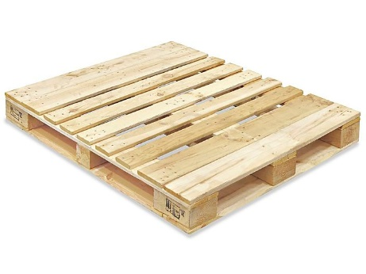 |  |  |  |  |  | CARI di GOOGLE ukuran mesinnya
 | Fokrlift |  | 3.78 | 1.23 | https://www.asheforklift.com/forklift-specification-spesifikasi
 | Troli |  | 0.9 | 0.6 | https://shopee.co.id/Reaim-Trolley-barang-serbaguna-Troli-Lipat-Hand-Truck-150-500Kg-Troli-Galon-4-kursi-roda-mendukung-500-kg-Troli-Troley-Dorongan-Barang-Model-Besi-Kuat-Dan-Kokoh-i.750744135.20275778966

MODUL 2

MODUL 2
PERHITUNGAN ONGKOS MATERIAL HANDLING

TI 3094
Praktikum Perancangan Sistem
Terintegrasi
IV

MODUL 3
MODUL 3
PERANCANGAN ARC, ARD, DAN AAD

TI 3094
Praktikum Perancangan Sistem
Terintegrasi
IV

Luas Kantor
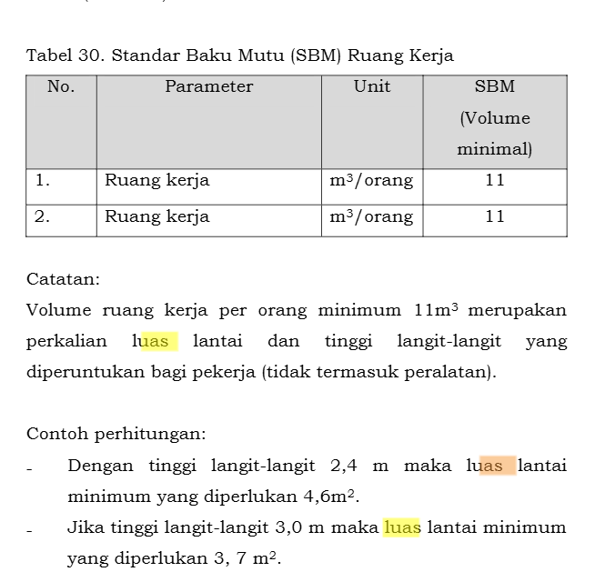
No | Nama Ruangan | Sub Ruang | Ukuran |  | Luas | Allowance (50% Luas) | Luas + Allowance | Jumlah Ruangan | Luas Lantai (m persegi) | Luas Total | Sumber Referensi | jelasin gimana penentuan jumlah ruangannya (misal jumlah pekerja udh di fix in dari awal). Jumlah ruangan itu dari jmlh pekerja
 |  |  | p (m) | l (m)
1 | Direktur | Direktur (1) | 4 | 3 | 20 | 10 | 30 | 1 | 30 | 43.5 | Peraturan Menteri Dalam Negeri Nomor 7 Tahun 2006
 |  | Sekretaris (1) | 3 | 3 | 9 | 4.5 | 13.5 | 1 | 13.5 |  | Peraturan Menteri Kesehatan Nomor 70 Tahun 2016
2 | Departemen Keuangan & Akuntansi | Kepala Departemen Keuangan (1) | 3 | 3 | 9 | 4.5 | 13.5 | 1 | 13.5 | 43.5 | Peraturan Menteri Dalam Negeri Nomor 7 Tahun 2006
 |  | Bagian Keuangan & Anggaran (3) | 5 | 3 | 15 | 7.5 | 22.5 | 1 | 22.5 |  | Peraturan Menteri Kesehatan Nomor 70 Tahun 2016
 |  | Bagian Purchasing (1) | 2.5 | 2 | 5 | 2.5 | 7.5 | 1 | 7.5 |  | Peraturan Menteri Kesehatan Nomor 70 Tahun 2016
3 | Departemen SDM & Umum | Kepala Departemen HR (1) | 3 | 3 | 9 | 4.5 | 13.5 | 1 | 13.5 | 43.5 | Peraturan Menteri Dalam Negeri Nomor 7 Tahun 2006
 |  | Staff HR (4) | 5 | 4 | 20 | 10 | 30 | 1 | 30 |  | Peraturan Menteri Kesehatan Nomor 70 Tahun 2016
4 | Departemen Produksi & PPIC | Kepala Departemen Produksi (1) | 4 | 3 | 12 | 6 | 18 | 1 | 18 | 40.5 | Peraturan Menteri Dalam Negeri Nomor 7 Tahun 2006
 |  | Staff Produksi & PPIC (3) | 5 | 3 | 15 | 7.5 | 22.5 | 1 | 22.5 |  | Peraturan Menteri Kesehatan Nomor 70 Tahun 2016
5 | Departemen Quality Control | Kepala Departemen QC (1) | 3 | 3 | 9 | 4.5 | 13.5 | 1 | 13.5 | 36 | Peraturan Menteri Dalam Negeri Nomor 7 Tahun 2006
 |  | Staff QC (3) | 5 | 3 | 15 | 7.5 | 22.5 | 1 | 22.5 |  | Peraturan Menteri Kesehatan Nomor 70 Tahun 2016
6 | Departemen Pemasaran & Penjualan | Kepala Departemen Pemasaran & Penjualan (1) | 3 | 3 | 9 | 4.5 | 13.5 | 1 | 13.5 | 36 | Peraturan Menteri Dalam Negeri Nomor 7 Tahun 2006
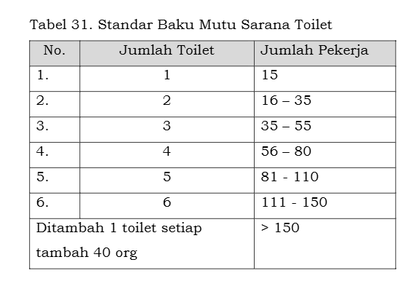
 |  | Staff marketing & sales (3) | 5 | 3 | 15 | 7.5 | 22.5 | 1 | 22.5 |  | Ruang Kerja Workstation Terbuka
7 | Departemen R&D dan Desain Produk | Kepala Departemen R&D (1) | 3 | 3 | 9 | 4.5 | 13.5 | 1 | 13.5 | 28.5 | Peraturan Menteri Dalam Negeri Nomor 7 Tahun 2006
 |  | Staff R&D (2) | 5 | 2 | 10 | 5 | 15 | 1 | 15 |  | Peraturan Menteri Kesehatan Nomor 70 Tahun 2016
8 | Ruang Rapat Besar |  | 8 | 6 | 48 | 24 | 72 | 1 | 72 | 72 | Neufert Office Space Standards
9 | Ruang Arsip & Dokumentasi |  | 5 | 3 | 15 | 7.5 | 22.5 | 1 | 22.5 | 22.5 | Rupacita
10 | Ruang Tamu Umum & Resepsionis |  | 4 | 4 | 16 | 8 | 24 | 1 | 24 | 24 | Rupacita
11 | Musholla |  | 5 | 4 | 20 | 10 | 30 | 1 | 30 | 30 | Standar Perancangan Tempat Wudhu dan Tata Ruang Masjid
12 | Ruang Istirahat & Pantry |  | 4 | 4 | 16 | 8 | 24 | 1 | 24 | 24 | Peraturan Menteri Dalam Negeri Nomor 7 Tahun 2006
13 | Pos Keamanan |  | 3 | 3 | 9 | 4.5 | 13.5 | 1 | 13.5 | 13.5 | Rupacita
14 | Ruang Kesehatan |  | 3 | 3 | 9 | 4.5 | 13.5 | 1 | 13.5 | 13.5 | Peraturan Menteri Kesehatan Nomor 48 Tahun 2016
15 | Toilet (Wanita) |  | 1.5 | 1 | 1.5 | 0.75 | 2.25 | 2 | 4.5 | 4.5 | Heragu Facilities Design
16 | Toilet (Pria) |  | 1.5 | 1 | 1.5 | 0.75 | 2.25 | 2 | 4.5 | 4.5 | Heragu Facilities Design
17 | Sink (2) |  | 1 | 0.6 | 1.2 | 0.6 | 1.8 | 2 | 3.6 | 3.6 | Heragu Facilities Design
TOTAL |  |  |  |  |  |  |  |  | 483.6
 |  |  | Rasio P/l | 1.2839673913
 |  |  |  | 1.2839673913

Luas Lantai Pelayanan Personil
 |  |  |  |  |  |  |  |  |  | Nama Stasiun |  | JUMLAH KARYAWAN
No | Nama Ruangan | Ukuran |  | Luas | Allowance (50% Luas) | Luas + Allowance | Jumlah Ruangan | Luas Lantai (m persegi) | Sumber Referensi | Receiving |  | 2
 |  | p (m) | l (m) |  |  |  |  |  |  | GBBU |  | 2
1 | Mushola | 3.00 | 2.00 | 6.00 | 3.00 | 9.00 | 1 | 9.00 | Tompkins | GBBP |  | 2
2 | Kantin dan Dapur | 3.00 | 3.00 | 9.00 | 4.50 | 13.50 | 1 | 13.50 | Tompkins | Fabrikasi | Mesin Injection Molding | 2
3 | Toilet Pria | 1.50 | 1.00 | 1.50 | 0.75 | 2.25 | 3 | 6.75 | Heragu Facilities Design |  | Mesin Drilling | 2
4 | Toilet Wanita | 1.50 | 1.00 | 1.50 | 0.75 | 2.25 | 1 | 2.25 | Heragu Facilities Design |  | Mesin Milling | 10
5 | Wastafel | 1.00 | 0.60 | 0.60 | 0.30 | 0.90 | 3 | 2.70 | Heragu Facilities Design |  | Mesin Bubut | 2
6 | Unit Kesehatan Personil | 2.00 | 2.00 | 4.00 | 2.00 | 6.00 | 1 | 6.00 | OSHA |  | Kerja Bangku | 4
7 | Loker dan ruang ganti | 2.00 | 2.00 | 4.00 | 2.00 | 6.00 | 1 | 6.00 | Tompkins |  | Bench Perakitan | 2
TOTAL |  |  |  |  |  |  |  | 46.20 |  |  | Bench Pengemasan | 2
 |  |  |  |  |  |  |  |  |  | Assembly |  | 2
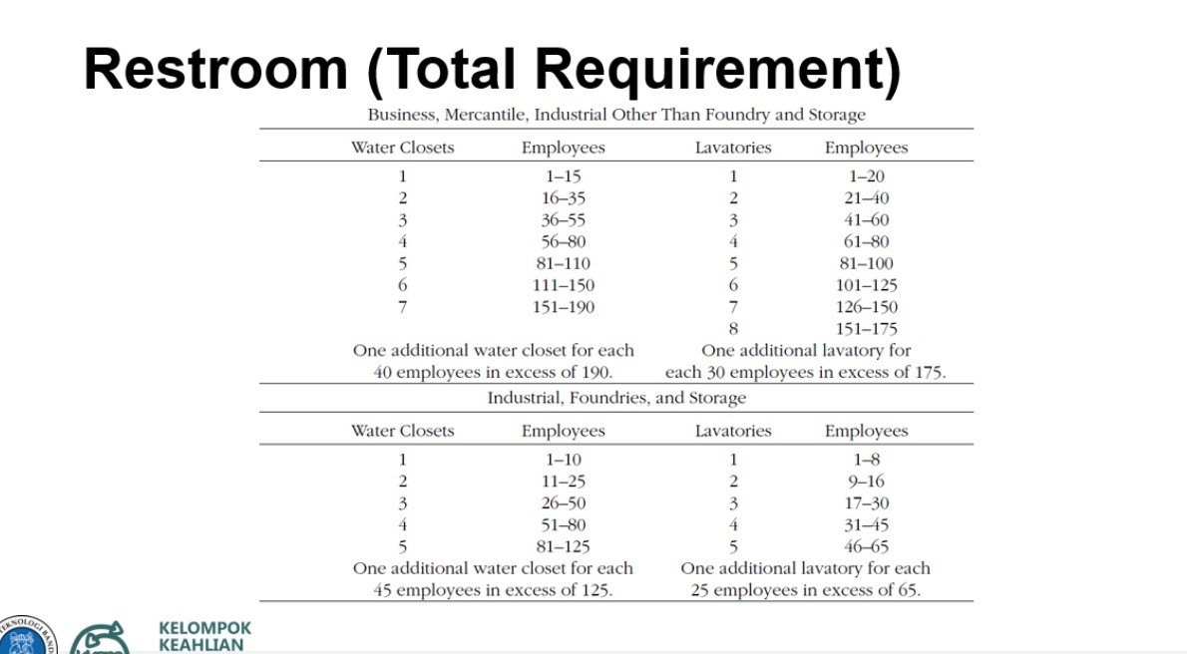
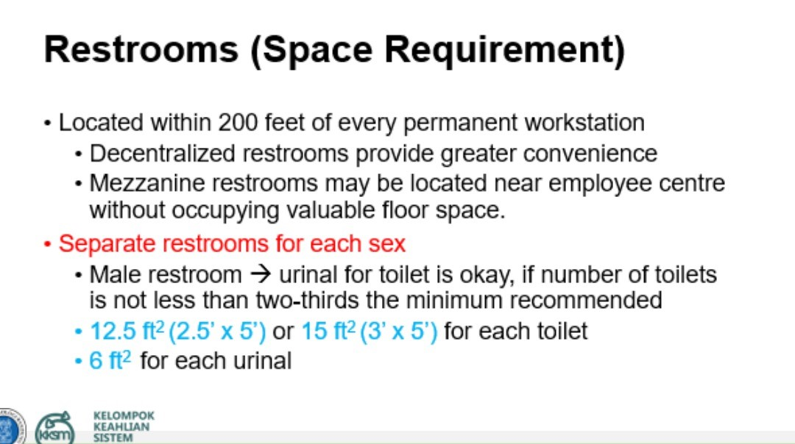
 |  |  |  |  |  |  |  |  |  | Packaging |  | 2
 |  |  |  |  |  |  |  |  |  | Warehousing |  | 2
 |  |  |  |  |  |  |  |  |  | Shipping |  | 2
 |  |  |  |  |  |  |  |  |  | total |  | 38

ARC Kantor
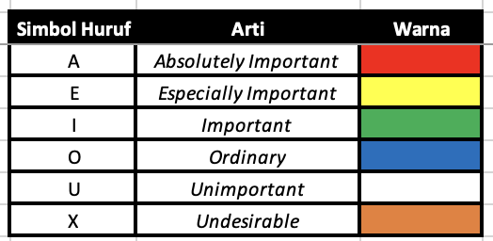 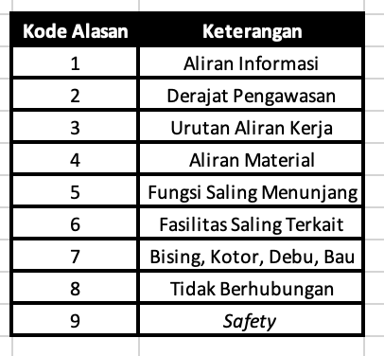 |  |  |  | Direktur | Departemen Keuangan & Akuntansi | Departemen SDM & Umum | Departemen Produksi & PPIC | Departemen Quality Control | Departemen Pemasaran & Penjualan | Departemen R&D dan Desain Produk | Ruang Rapat Besar | Ruang Arsip & Dokumentasi | Ruang Tamu Umum & Resepsionis | Musholla | Ruang Istirahat & Pantry | Pos Keamanan | Ruang Kesehatan | Toilet Wanita | Toilet Pria | Sink
Nama Ruangan | No | ID | Inisial | 1 | 2 | 3 | 4 | 5 | 6 | 7 | 8 | 9 | 10 | 11 | 12 | 13 | 14 | 15 | 16 | 17 | Simbol Huruf | Arti | Warna
Direktur | 1 | K01 | DRT |  | E-1,2 | E-2 | I-2 | I-2 | E-1,2 | I-2 | A-5 | O-1 | A-6 | U- | U- | O-9 | U- | U- | U- | U- | A | Absolutely Important
Departemen Keuangan & Akuntansi | 2 | K02 | KDK |  |  | I-2,3 | I-1,4 | O-1 | I-1,2 | O-1 | I-5 | E-1,4 | O- | U- | U- | U- | U- | U- | U- | U- | E | Especially Important
Departemen SDM & Umum | 3 | K03 | SDM |  |  |  | I-2,3 | O-2 | O-2 | O-2 | I-5 | E-1,4 | O-2 | U- | U- | I-2,9 | I-2,6 | U- | U- | U- | I | Important
Departemen Produksi & PPIC | 4 | K04 | PRD |  |  |  |  | A-1,3 | I-1,2 | I-1,5 | I-5 | I-1,4 | U- | U- | U- | U- | O-6 | U- | U- | U- | O | Ordinary
Departemen Quality Control | 5 | K05 | QC |  |  |  |  |  | O-1 | I-1,5 | I-5 | I-1,4 | U- | U- | U- | U- | O-6 | U- | U- | U- | U | Unimportant
Departemen Pemasaran & Penjualan | 6 | K06 | PP |  |  |  |  |  |  | I-1,5 | E-5 | O-1 | E-6 | U- | U- | U- | U- | U- | U- | U- | 9 | Safety
Departemen R&D dan Desain Produk | 7 | K07 | RND |  |  |  |  |  |  |  | I-5 | E-1,4 | U- | U- | U- | U- | U- | U- | U- | U-
Ruang Rapat Besar | 8 | K08 | RB |  |  |  |  |  |  |  |  | I-1,4 | I-6 | U- | E-5,6 | U- | U- | I-6 | I-6 | O-6
Ruang Arsip & Dokumentasi | 9 | K09 | AD |  |  |  |  |  |  |  |  |  | U- | U- | U- | O-9 | U- | U- | U- | U-
Ruang Tamu Umum & Resepsionis | 10 | K10 | TR |  |  |  |  |  |  |  |  |  |  | U- | O-6 | A-9,6 | U- | I-6 | I-6 | O-6 | Screenshot Hasil Pengolahan Python (Graph Network) |  |  | Screenshot Hasil Visualisasi Blocplan Terpilih
Musholla | 11 | K11 | MUS |  |  |  |  |  |  |  |  |  |  |  | U- | U- | U- | O-6 | O-6 | A-6 | 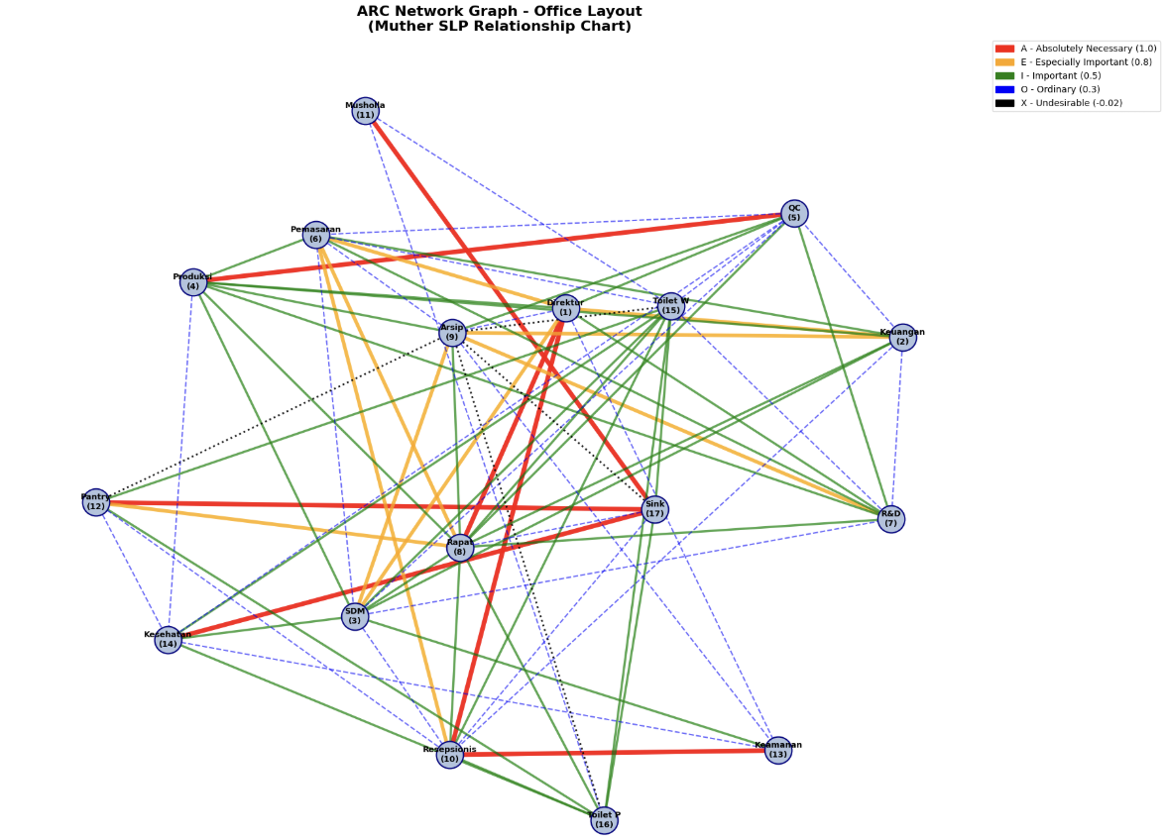
Ruang Istirahat & Pantry | 12 | K12 | PAN |  |  |  |  |  |  |  |  |  |  |  |  | U- | O-6 | I-6 | I-6 | A-6
Pos Keamanan | 13 | K13 | AMN |  |  |  |  |  |  |  |  |  |  |  |  |  | O-9 | U- | U- | U-
Ruang Kesehatan | 14 | K14 | KES |  |  |  |  |  |  |  |  |  |  |  |  |  |  | I-6 | I-6 | A-6
Toilet Wanita | 15 | K15 | TPR |  |  |  |  |  |  |  |  |  |  |  |  |  |  |  | I-6 | I-6
Toilet Pria | 16 | K16 | TLK |  |  |  |  |  |  |  |  |  |  |  |  |  |  |  |  | I-6
Sink | 17 | K17 | SNK

ARC Gabungan
 |  |  |  | Kantor | Lantai Pabrik | Menara Air | Gardu listrik | Kompresor | Generator | Bengkel | Area Limbah | Garasi | Rumah jaga | Parkir mobil | Mushola | Kantin dan Dapur | Toilet Pria | Toilet Wanita | Wastafel | Unit Kesehatan Personil | Loker dan Ruang Ganti
Nama Ruangan | No | ID | Inisial | 1 | 2 | 3 | 4 | 5 | 6 | 7 | 8 | 9 | 10 | 11 | 12 | 13 | 14 | 15 | 16 | 17 | 18 | Simbol Huruf | Arti | Warna
Kantor | 1 | K-0 | KR |  | X-7 | U-8 | O-6 | X-7 | X-7 | U-8 | X-7,8 | U-8 | I-6,9 | A-6 | E-6 | E-6 | U-8 | U-8 | U-8 | E-6,9 | I-6 | A | Absolutely Important
Lantai Pabrik | 2 | LP | LPK |  |  | A-4,6 | A-4,6 | A-4,6 | A-5,6 | A-5,6 | E-4 | I-4 | U-8 | O- | U-8 | X-7 | E-5 | E-5 | E-5 | X-7 | E-6,9 | E | Especially Important
Menara Air | 3 | LPRO-1 | MNR |  |  |  | O-6 | U-8 | I-6 | I-5 | I-4 | U-8 | U-8 | U-8 | U-8 | U-8 | E-4 | E-4 | E-4 | U-8 | U-8 | I | Important
Gardu listrik | 4 | LPRO-2 | GRD |  |  |  |  | I-6 | A-6 | I-5 | U-8 | U-8 | U-8 | U-8 | U-8 | U-8 | U-8 | U-8 | U-8 | U-8 | U-8 | O | Ordinary
Kompresor | 5 | LPRO-3 | KOMP |  |  |  |  |  | I-6 | I-5 | O-4 | U-8 | U-8 | U-8 | X-7 | U-8 | U-8 | U-8 | U-8 | X-7 | U-8 | U | Unimportant
Generator | 6 | LPRO-4 | GEN |  |  |  |  |  |  | I-5 | O-4 | U-8 | U-8 | U-8 | X-7 | U-8 | U-8 | U-8 | U-8 | X-7 | U-8 | 9 | Safety
Bengkel | 7 | LPRO-5 | BKL |  |  |  |  |  |  |  | E-4 | U-8 | U-8 | U-8 | U-8 | U-8 | O-6 | O-6 | E-6,9 | O-9 | O-6
Area Limbah | 8 | LPRO-6 | LMBH |  |  |  |  |  |  |  |  | O-6 | O-6 | X-7 | X-7,8 | X-7,8 | X-7,8 | X-7,8 | X-7,8 | X-7,8 | X-7,8
Garasi | 9 | LPAB-1 | GRS |  |  |  |  |  |  |  |  |  | U-8 | I-6 | U-8 | U-8 | U-8 | U-8 | U-8 | U-8 | U-8
Rumah jaga | 10 | LPAB-2 | RJG |  |  |  |  |  |  |  |  |  |  | A-6,9 | U-8 | U-8 | O-6 | O-6 | O-6 | O-9 | U-8 | Screenshot Hasil Pengolahan Python |  |  | Screenshot Hasil Visualisasi Blocplan Terpilih
Parkir mobil | 11 | LPAB-3 | PKR |  |  |  |  |  |  |  |  |  |  |  | O-6 | O-6 | U-8 | U-8 | U-8 | U-8 | U-8 | 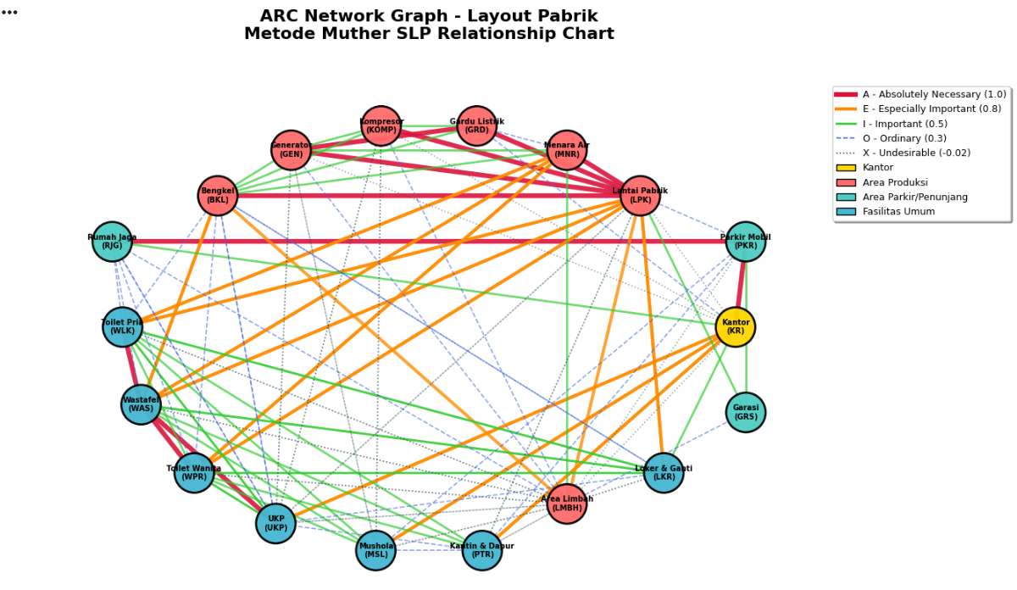
Mushola | 12 | LPER-1 | MSL |  |  |  |  |  |  |  |  |  |  |  |  | O-6 | I-6 | I-6 | I-6 | U-8 | U-8
Kantin dan Dapur | 13 | LPER-2 | PTR |  |  |  |  |  |  |  |  |  |  |  |  |  | I-6 | I-6 | I-6 | O-6 | U-8
Toilet Pria | 14 | LPER-3 | WLK |  |  |  |  |  |  |  |  |  |  |  |  |  |  | I-6 | A-6 | I-6,9 | I-6
Toilet Wanita | 15 | LPER-4 | WPR |  |  |  |  |  |  |  |  |  |  |  |  |  |  |  | A-6 | I-6,9 | I-6
Wastafel | 16 | LPER-5 | WAS |  |  |  |  |  |  |  |  |  |  |  |  |  |  |  |  | A-6,9 | I-6
Unit Kesehatan Personil | 17 | LPER-6 | UKP |  |  |  |  |  |  |  |  |  |  |  |  |  |  |  |  |  | O-6
Loker dan Ruang Ganti | 18 | LPER-7 | LKR

Modul 4
MODUL 4
PERBAIKAN TATA LETAK DAN AREA ALLOCATION DIAGRAM LANTAI PABRIK

TI 4103
Praktikum Perancangan Sistem
Terintegrasi
IV

Initial Layout
Initial Layout

 |  | 1 | 2 | 3 | 4 | 5 | 6 | 7 | 8 | 9 | 10 | 11 | 12 | 13 |  |  |  |  |  |  |  |  |  |  | Initial Layout |  | No. Departemen | Nama Departemen | Koordinat
 | 1 | 1 | 1 | 3 | 3 | 3 | 8 | 9 | 9 | 9 | 9 | 9 | 10 | 10 |  |  |  |  |  |  |  |  |  |  | Panjang (sel) | 13 | 1 | Receiving | (1,1)-(4,2)
 | 2 | 1 | 1 | 3 | 3 | 8 | 8 | 7 | 7 | 7 | 5 | 5 | 10 | 10 |  |  |  |  |  |  |  |  |  |  | Lebar (sel) | 7 | 2 | Gudang BBU | (5,1)-(7,2)
 | 3 | 1 | 1 | 3 | 3 | 8 | 8 | 7 | 7 | 7 | 5 | 5 | 10 | 10 |  |  |  |  |  |  |  |  |  |  | Luas | 91 | 3 | Gudang BBP | (1,3)-(1,5),(2,3)-(3,4)
 | 4 | 1 | 1 | 4 | 4 | 8 | 8 | 6 | 6 | 6 | 6 | 5 | 11 | 11 |  |  |  |  |  |  |  |  |  |  | %Dummy | 4% | 4 | Mesin Injection Molding | (4,3)-(5,4),(6,3)
 | 5 | 2 | 2 | 4 | 4 | 8 | 8 | 6 |  |  | 6 | 6 | 11 | 11 |  |  |  |  |  |  |  |  |  |  |  |  | 5 | Mesin Drilling | (2,10)-(3,11),(4,11)
 | 6 | 2 | 2 | 4 | 6 | 6 | 6 | 6 |  |  | 6 | 6 | 12 | 12 |  |  |  |  |  |  |  |  |  |  |  |  | 6 | Mesin Milling | (4,7)-(7,10),(5,11)-(7,11),(6,4)-(7,6),(7,3)
 | 7 | 2 | 2 | 6 | 6 | 6 | 6 | 6 | 6 | 6 | 6 | 6 | 12 | 12 |  |  |  |  |  |  |  |  |  |  |  |  | 7 | Mesin Bubut | (2,7)-(3,9)
 |  |  |  |  |  |  |  |  |  |  |  |  |  |  |  |  |  |  |  |  |  |  |  |  |  |  | 8 | Kerja Bangku | (1,6),(2,5)-(5,6)
 |  |  |  |  |  |  |  |  |  |  |  |  |  |  |  |  |  |  |  |  |  |  |  |  |  |  | 9 | Bench Perakitan | (1,7)-(1,11)
 |  |  |  |  |  |  |  |  |  |  |  |  |  |  |  |  |  |  |  |  |  |  |  |  |  |  | 10 | Bench Pengemasan | (1,12)-(3,13)
 |  |  |  |  |  |  |  |  |  |  |  |  |  |  |  |  |  |  |  |  |  |  |  |  |  |  | 11 | Warehouse | (4,12)-(5,13)
 |  |  |  |  |  |  |  |  |  |  |  |  |  |  |  |  |  |  |  |  |  |  |  |  |  |  | 12 | Shipping | (6,12)-(7,13)
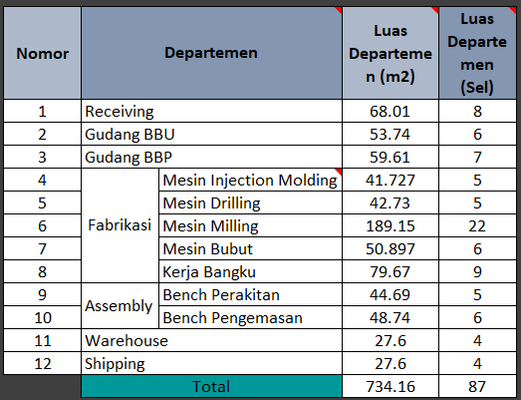

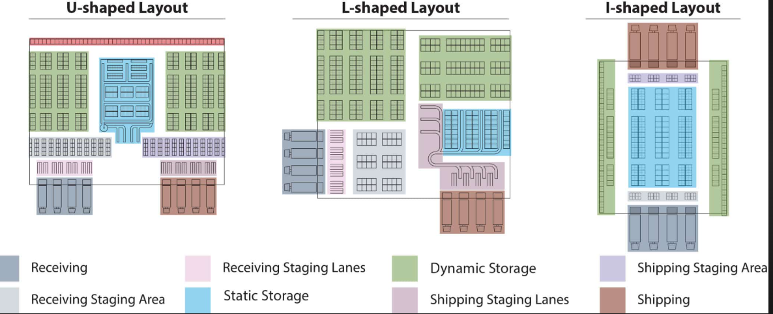

Optimal Layout

 |  | 1 | 2 | 3 | 4 | 5 | 6 | 7 | 8 | 9 | 10 | 11 | 12 | 13 | 14 | 15 | 16 | 17 | 18 | 19 | 20 | 21 | 22 | 23 | Optimal Layout |  | No. Departemen | Nama Departemen
 | 1 |  |  |  |  | 6 | 6 | 6 | 8 | 8 |  |  |  |  |  |  |  |  |  |  |  |  |  |  | Panjang (sel) | 10 | 1 | Receiving
 | 2 | 4 | 4 |  |  | 6 | 6 | 6 | 8 | 8 |  |  |  |  |  |  |  |  |  |  |  |  |  |  | Lebar (sel) | 10 | 2 | Gudang BBU
 | 3 | 4 | 4 | 4 | 7 | 7 | 6 | 6 | 8 | 8 |  |  |  |  |  |  |  |  |  |  |  |  |  |  | Luas | 100 | 3 | Gudang BBP
 | 4 | 5 | 5 | 5 | 7 | 7 | 6 | 6 | 8 | 8 | 8 |  |  |  |  |  |  |  |  |  |  |  |  |  | %Dummy | 13% | 4 | Mesin Injection Molding
 | 5 | 5 | 5 |  | 7 | 7 | 6 | 6 | 9 | 9 |  |  |  |  |  |  |  |  |  |  |  |  |  |  |  |  | 5 | Mesin Drilling
 | 6 | 2 | 2 | 2 | 3 | 3 | 6 | 6 | 9 | 9 | 9 |  |  |  |  |  |  |  |  |  |  |  |  |  | R | Receiving | 6 | Mesin Milling
 | 7 | 2 | 2 | 2 | 3 | 3 | 6 | 6 | 10 | 10 | 10 |  |  |  |  |  |  |  |  |  |  |  |  |  | G | GBBU | 7 | Mesin Bubut
 | 8 | 1 | 1 | 3 | 3 | 3 | 6 | 6 | 10 | 10 | 10 |  |  |  |  |  |  |  |  |  |  |  |  |  | G | GBBP | 8 | Kerja Bangku
 | 9 | 1 | 1 | 1 | 12 | 12 | 6 | 6 | 11 | 11 |  |  |  |  |  |  |  |  |  |  |  |  |  |  | T | Bubut | 9 | Bench Perakitan
 | 10 | 1 | 1 | 1 | 12 | 12 | 6 | 6 | 11 | 11 |  |  |  |  |  |  |  |  |  |  |  |  |  |  | K | Kerja Bangku | 10 | Bench Pengemasan
 | 11 |  |  |  |  |  |  |  |  |  |  |  |  |  |  |  |  |  |  |  |  |  |  |  | M | Milling | 11 | Warehouse
 | 12 |  |  |  |  |  |  |  |  |  |  |  |  |  |  |  |  |  |  |  |  |  |  |  | I | Injection Molding | 12 | Shipping
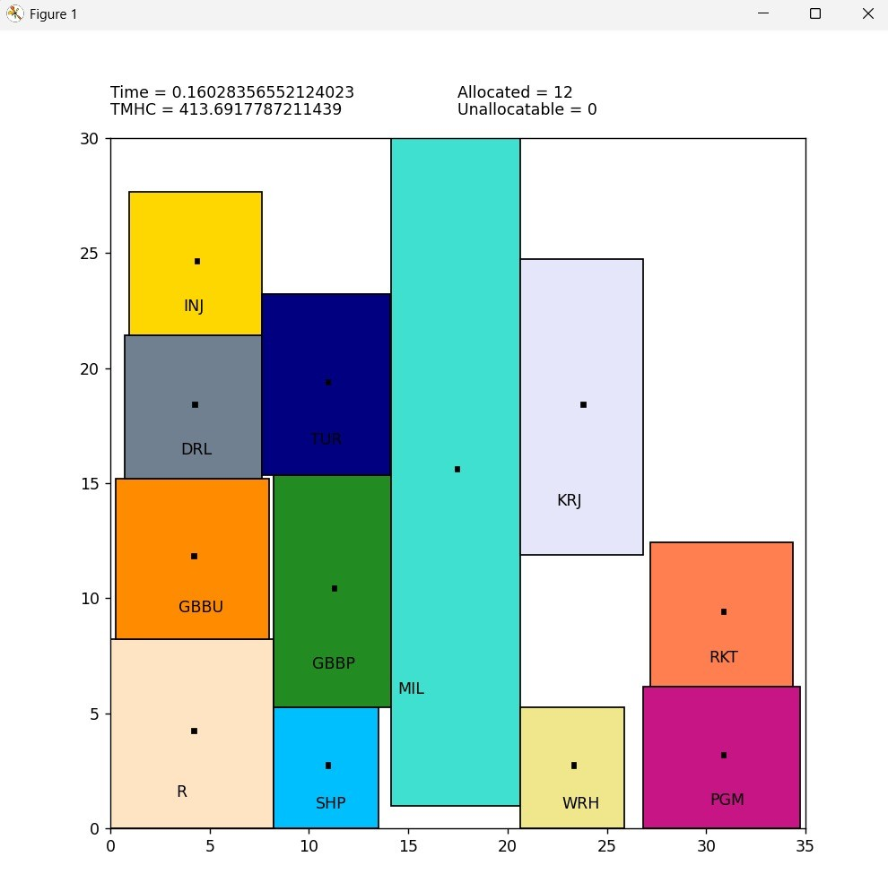
 | 13 |  |  |  |  |  |  |  |  |  |  |  |  |  |  |  |  |  |  |  |  |  |  |  | D | Drilling
 | 14 |  |  |  |  |  |  |  |  |  |  |  |  |  |  |  |  |  |  |  |  |  |  |  | R | Perakitan
 | 15 |  |  |  |  |  |  |  |  |  |  |  |  |  |  |  |  |  |  |  |  |  |  |  | P | Pengemasan
 | 16 |  |  |  |  |  |  |  |  |  |  |  |  |  |  |  |  |  |  |  |  |  |  |  | W | Warehouse
 | 17 |  |  |  |  |  |  |  |  |  |  |  |  |  |  |  |  |  |  |  |  |  |  |  | S | Shipping
 | 18
 | 19
 | 20
 | 21
 | 22
 | 23
 | …

Hasil Iterasi WinQSB
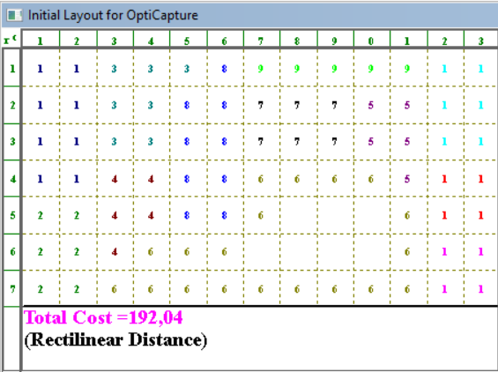
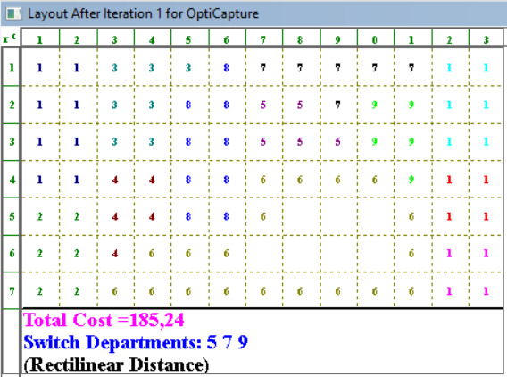
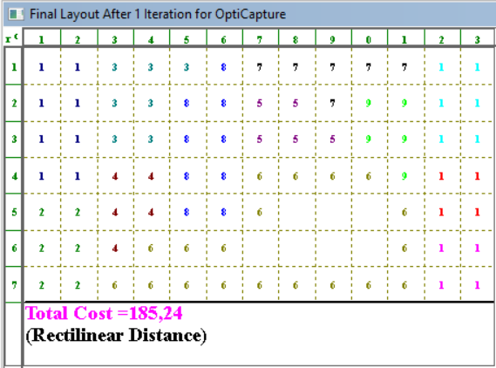
Hasil Iterasi WinQSB

Improve by exchanging 2 departments

Initial Layout | Iterasi 1 | Iterasi 2 | Final Layout


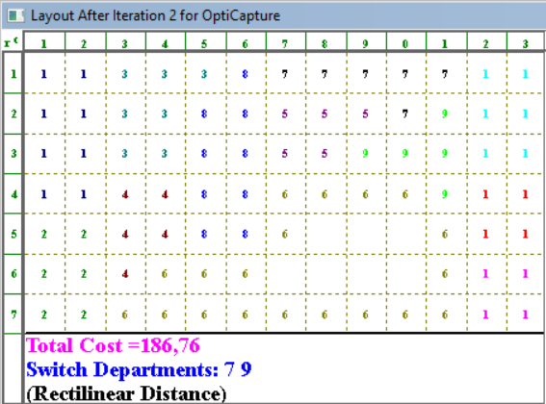
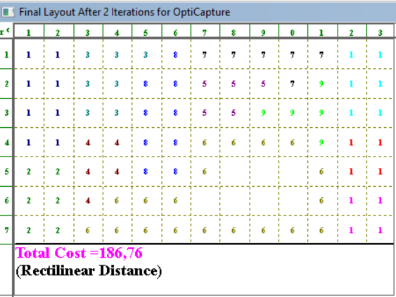

Improve by exchanging 3 departments

Initial Layout | Iterasi 1 | Final Layout


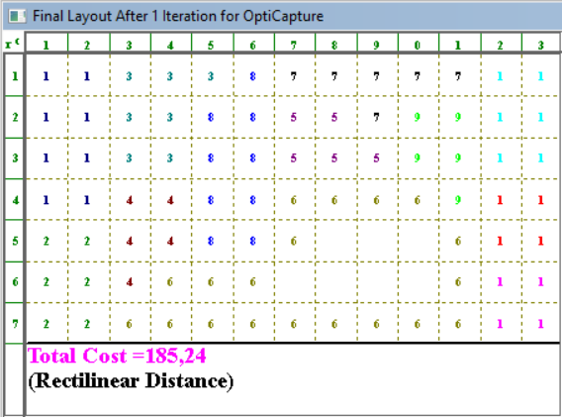

Improve by exchanging 2 then 3 departments

Initial Layout | Iterasi 1 | Iterasi 2 | Final Layout
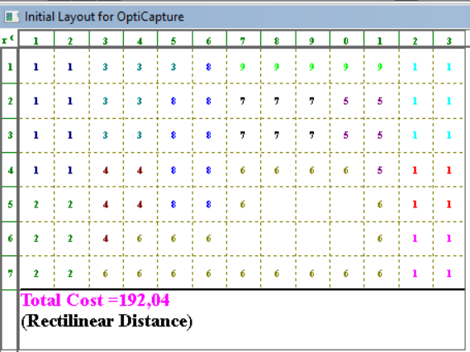


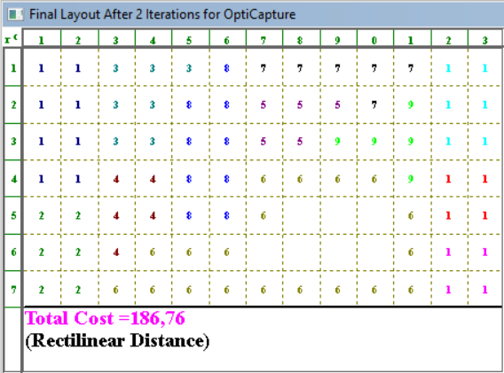

Improve by exchanging 3 then 2 departments

Initial Layout | Iterasi 1 | Final Layout

Hasil Iterasi Python
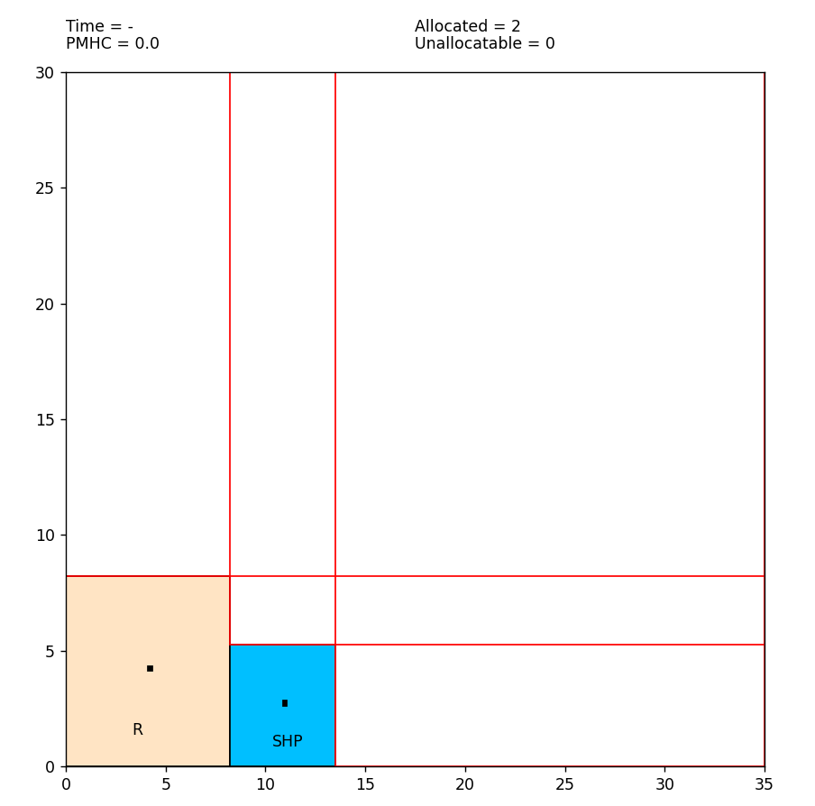
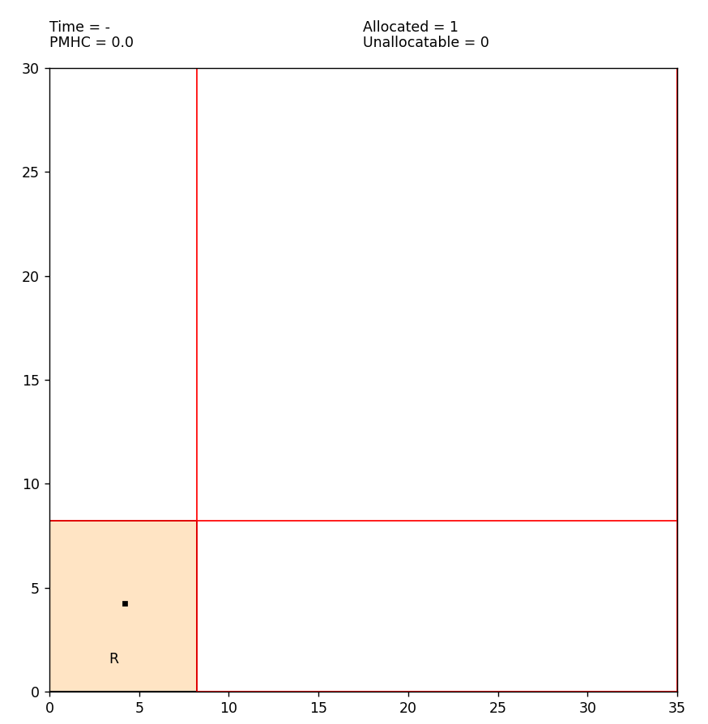
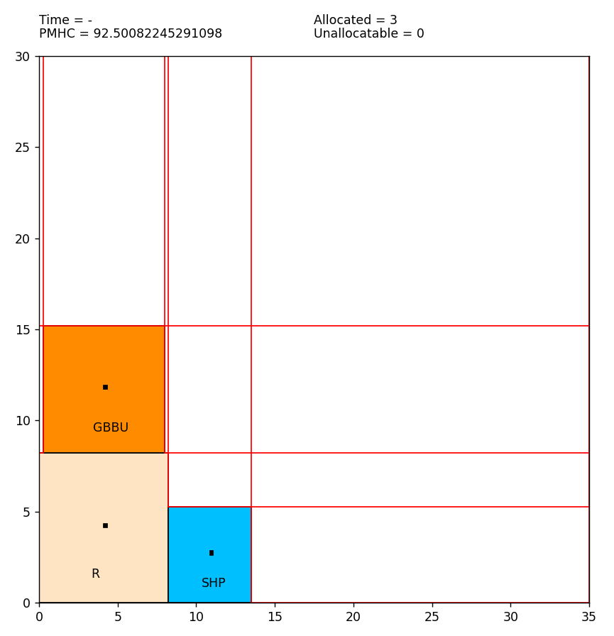
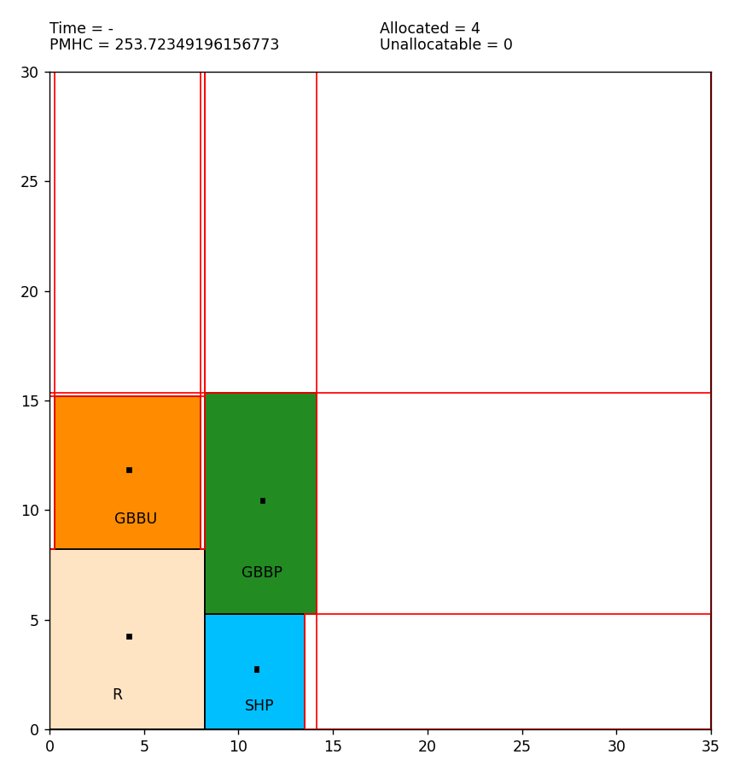
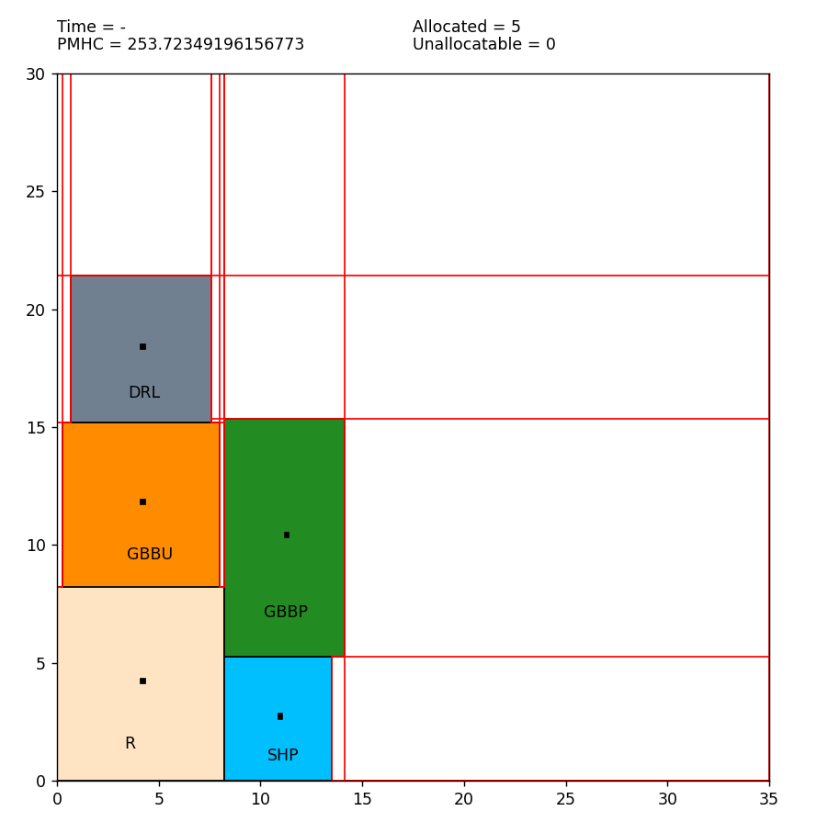
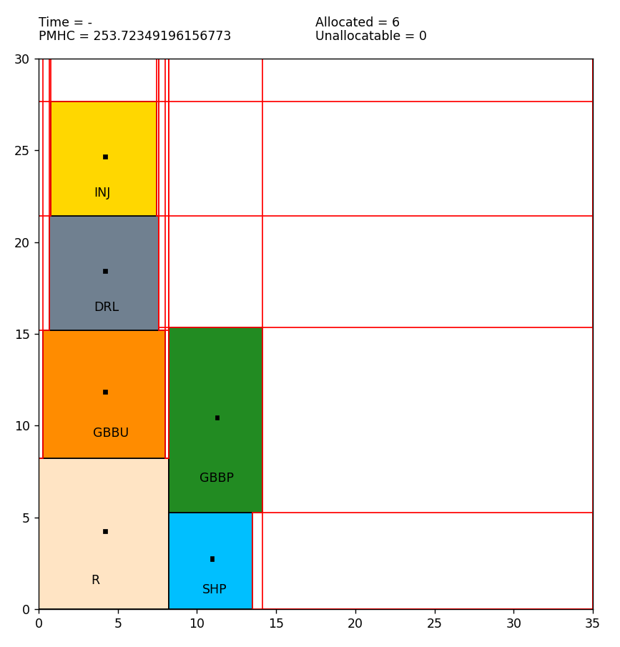
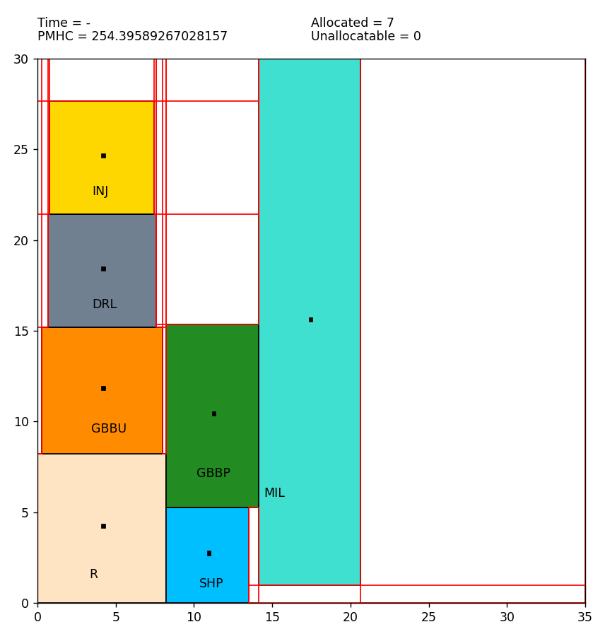
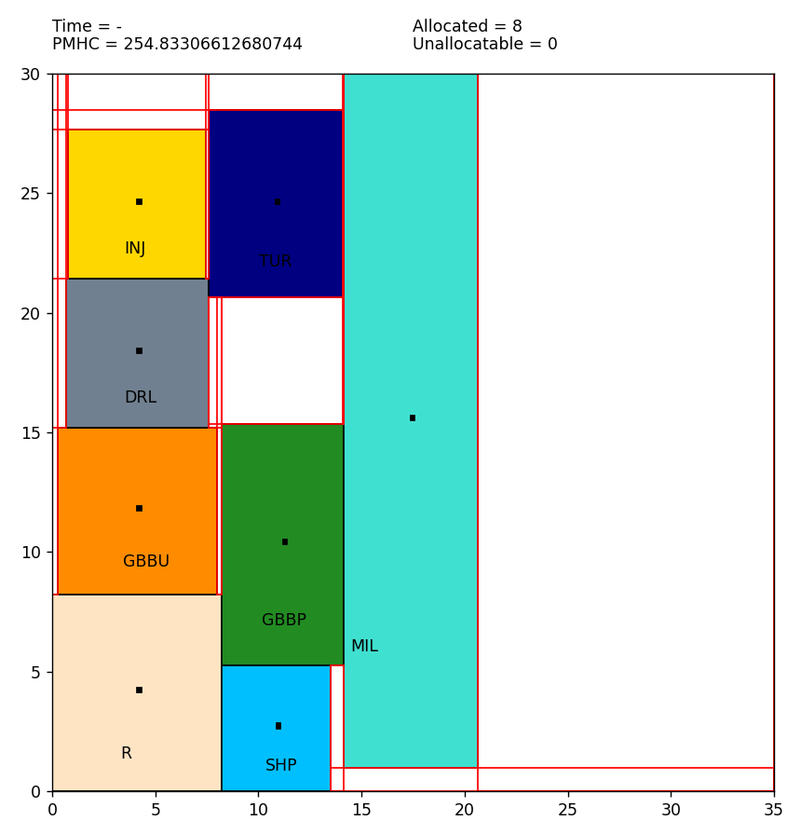
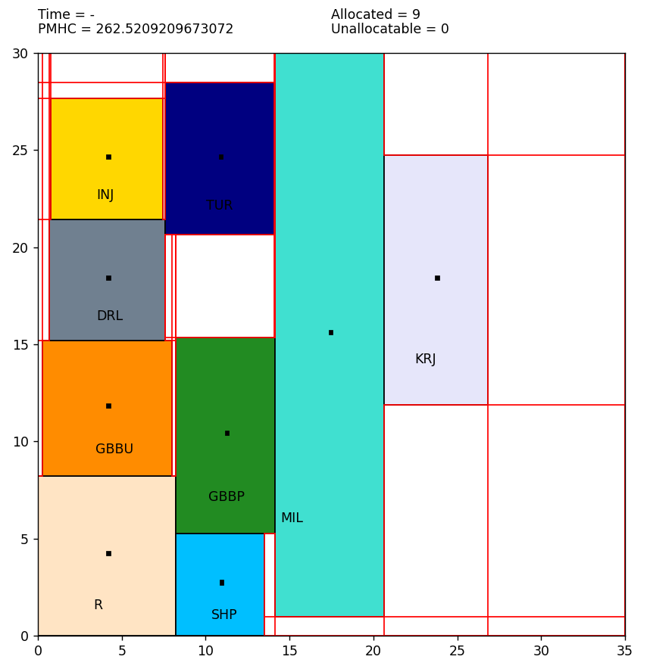
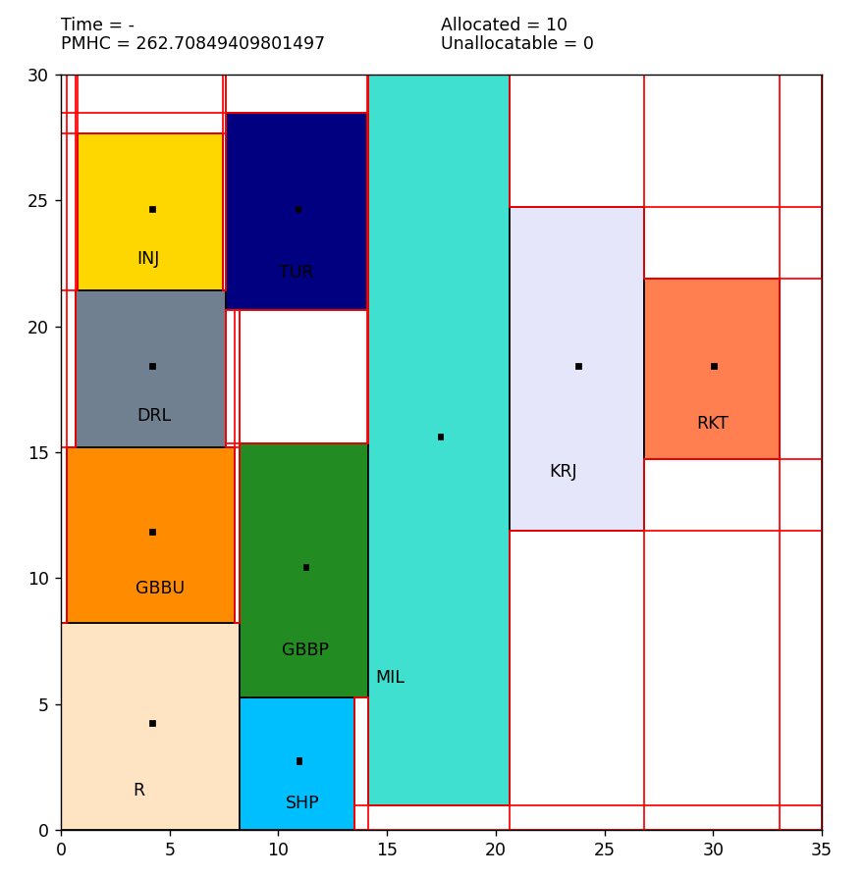
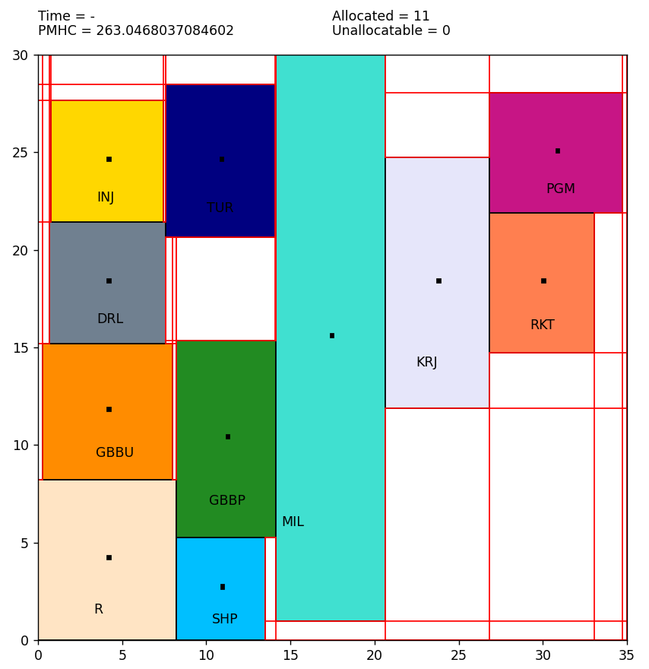
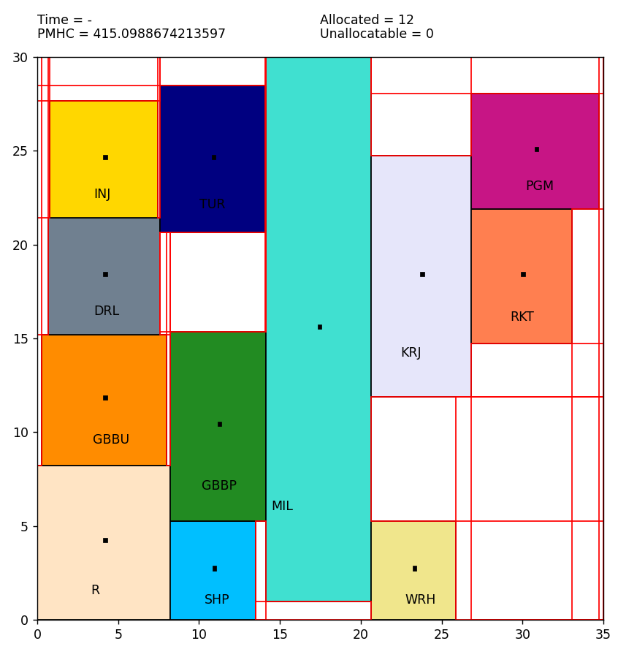
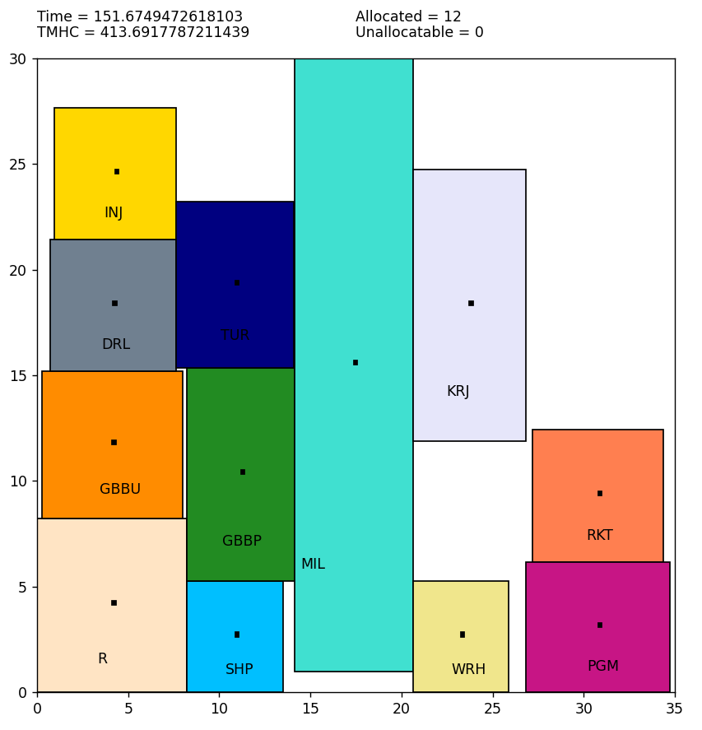
Hasil Iterasi Python

Hasil Iterasi CRAFT
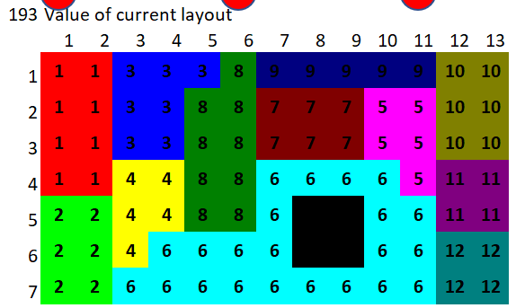
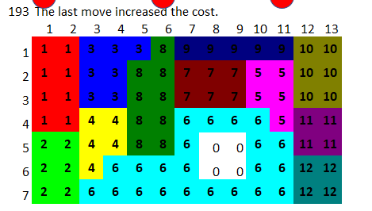
Hasil Iterasi CRAFT

ITERASI 0 | ITERASI 1

OMH Perbaikan
OMH Perbaikan

No. | No. Asal | From | To | No. Tujuan | Jarak | Total Berat | Jumlah Perpindahan | Jenis Transport | Rp/m | OMH | OMH Kumulatif |  |  |  |  | No. | Departemen | X | Y |  |  |  |  | R | Receiving
1 | 1 | Receiving | GBBU | 2 | 8.250 | 15.635 | 1.000 | Forklift dan Pallet | 12.163158771 | 100 | 100 | Min | Max | Jenis Transport | OMH | 1 | Receiving | 4.125 | 25.875 |  |  |  |  | G | GBBU
2 | 1 | Receiving | GBBP | 3 | 13.179 | 3.644 | 1.000 | Forklift dan Pallet | 12.163158771 | 160 | 261 | 8.250 | 13.179 | Forklift dan Pallet | 12.163158771 | 2 | Gudang BBU | 4.5 | 18 |  |  |  |  | G | GBBP
3 | 2 | GBBU | Kerja Bangku | 8 | 31.500 | 7.125 | 80.000 | Pallet dan Trolley | 0.015066114916 | 38 | 299 | 6.300 | 28.474 | Pallet dan Trolley | 0.015066114916 | 3 | Gudang BBP | 11.357142857 | 19.928571429 |  |  |  |  | T | Bubut
4 | 3 | GBBP | Kerja Bangku | 8 | 26.571 | 16.707 | 80.000 | Pallet dan Trolley | 0.015066114916 | 32 | 331 |  |  |  |  | 4 | Mesin Injection Molding | 3.9 | 6.3 |  |  |  |  | K | Kerja Bangku
5 | 4 | Kerja Bangku | Bubut | 7 | 16.500 | 28.474 | 80.000 | Pallet dan Trolley | 0.015066114916 | 20 | 351 |  |  |  |  | 5 | Mesin Drilling | 3.9 | 11.7 |  |  |  |  | M | Milling
 |  |  | Milling | 6 | 14.250 | 1.351 | 80.000 |  | 0.015066114916 | 17 | 368 |  |  |  |  | 6 | Mesin Milling | 18 | 14.25 |  |  |  |  | I | Injection Molding
 |  |  | Drilling | 5 | 25.800 | 0.147 | 80.000 |  | 0.015066114916 | 31 | 399 |  |  |  |  | 7 | Mesin Bubut | 12 | 10.5 |  |  |  |  | D | Drilling
 |  |  | Injection Molding | 4 | 20.800 | 0.000 | 80.000 |  | 0.015066114916 | 25 | 424 |  |  |  |  | 8 | Kerja Bangku | 24.5 | 6.5 |  |  |  |  | R | Perakitan
 |  |  | Perakitan | 9 | 9.200 | 7.485 | 80.000 |  | 0.015066114916 | 11 | 435 |  |  |  |  | 9 | Bench Perakitan | 24.9 | 15.3 |  |  |  |  | P | Pengemasan
6 | 5 | Drilling | Milling | 6 | 16.650 | 0.031 | 80.000 | Pallet dan Trolley | 0.015066114916 | 20 | 455 |  |  |  |  | 10 | Bench Pengemasan | 25.5 | 21 |  |  |  |  | W | Warehouse
 |  |  | Kerja Bangku | 8 | 25.800 | 0.760 | 80.000 |  | 0.015066114916 | 31 | 486 |  |  |  |  | 11 | Warehouse | 24 | 27 |  |  |  |  | S | Shipping
7 | 6 | Milling | Drilling | 5 | 16.650 | 0.596 | 80.000 | Pallet dan Trolley | 0.015066114916 | 20 | 506 |  |  |  |  | 12 | Shipping | 12 | 27
 |  |  | Kerja Bangku | 8 | 14.250 | 5.692 | 80.000 |  | 0.015066114916 | 17 | 523 |  |  |  |  | 13
8 | 7 | Bubut | Drilling | 5 | 9.300 | 4.860 | 80.000 | Pallet dan Trolley | 0.015066114916 | 11 | 535 |  |  |  |  | 14
 |  |  | Milling | 6 | 9.750 | 0.900 | 80.000 |  | 0.015066114916 | 12 | 546 |  |  |  |  | 15
 |  |  | Kerja Bangku | 8 | 16.500 | 1.847 | 80.000 |  | 0.015066114916 | 20 | 566 |  |  |  |  | 16
9 | 9 | Perakitan | Pengemasan | 10 | 6.300 | 10.712 | 80.000 | Pallet dan Trolley | 0.015066114916 | 8 | 574 |  |  |  |  | 17
10 | 4 | Injection Molding | Kerja Bangku | 8 | 20.800 | 0.001 | 80.000 | Pallet dan Trolley | 0.015066114916 | 25 | 599 |  |  |  |  | 18
11 | 10 | Pengemasan | Warehouse | 11 | 7.500 | 10.712 | 80.000 | Pallet dan Trolley | 0.015066114916 | 9 | 608 |  |  |  |  | 19
12 | 11 | Warehouse | Shipping | 12 | 12.000 | 10.712 | 1.000 | Forklift dan Pallet | 12.163158771 | 146 | 754 |  |  |  |  | 20
 |  |  |  |  |  |  |  |  |  | -
 |  |  |  |  |  |  |  |  |  | - | - |  |  |  |  |  |  |  |  |  |  |  | 0,0
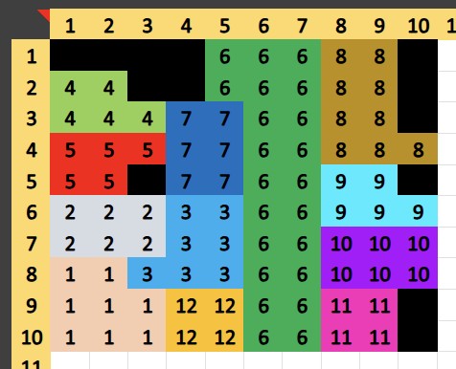
 |  |  |  |  |  |  |  |  |  | - | -
 |  |  |  |  |  |  |  |  |  | - | - |  |  |  |  | Dept | Jml Sel (n) | Total X (∑X) | Total Y (∑Y) | Centroid X | Centroid Y | X_{sel} = (c - 0.5)*3
 |  |  |  |  |  |  |  |  |  | - | - |  |  |  |  | 1 | 8 | 33 | 207 | 4.125 | 25.875 | Y_{sel} = (r - 0.5)*3
 |  |  |  |  |  |  |  |  |  | - | - |  |  |  |  | 2 | 6 | 27 | 108 | 4.5 | 18 | Xbar_{Dept} = SUMX/n
 |  |  |  |  |  |  |  |  |  | - | - |  |  |  |  | 3 | 7 | 79.5 | 139.5 | 11.357142857 | 19.928571429 | Ybar_{Dept} = SUMY/n
 |  |  |  |  |  |  |  |  |  | - | - |  |  |  |  | 4 | 5 | 19.5 | 31.5 | 3.9 | 6.3
 |  |  |  |  |  |  |  |  |  | - | - |  |  |  |  | 5 | 5 | 19.5 | 58.5 | 3.9 | 11.7
 |  |  |  |  |  |  |  |  |  | - | - |  |  |  |  | 6 | 24 | 432 | 342 | 18 | 14.25
 |  |  |  |  |  |  |  |  |  | - | - |  |  |  |  | 7 | 6 | 72 | 63 | 12 | 10.5
 |  |  |  |  |  |  |  |  |  | - | - |  |  |  |  | 8 | 9 | 220.5 | 58.5 | 24.5 | 6.5
 |  |  |  |  |  |  |  |  |  | - | - |  |  |  |  | 9 | 5 | 124.5 | 76.5 | 24.9 | 15.3
 |  |  |  |  |  |  |  |  |  | - | - |  |  |  |  | 10 | 6 | 153 | 126 | 25.5 | 21
 |  |  |  |  |  |  |  |  |  | - | - |  |  |  |  | 11 | 4 | 96 | 108 | 24 | 27
 |  |  |  |  |  |  |  |  |  | - | - |  |  |  |  | 12 | 4 | 48 | 108 | 12 | 27
22 | 19 | Warehouse | Shipping | 20 |  |  |  |  |  | - | -

